flowline_operation_master
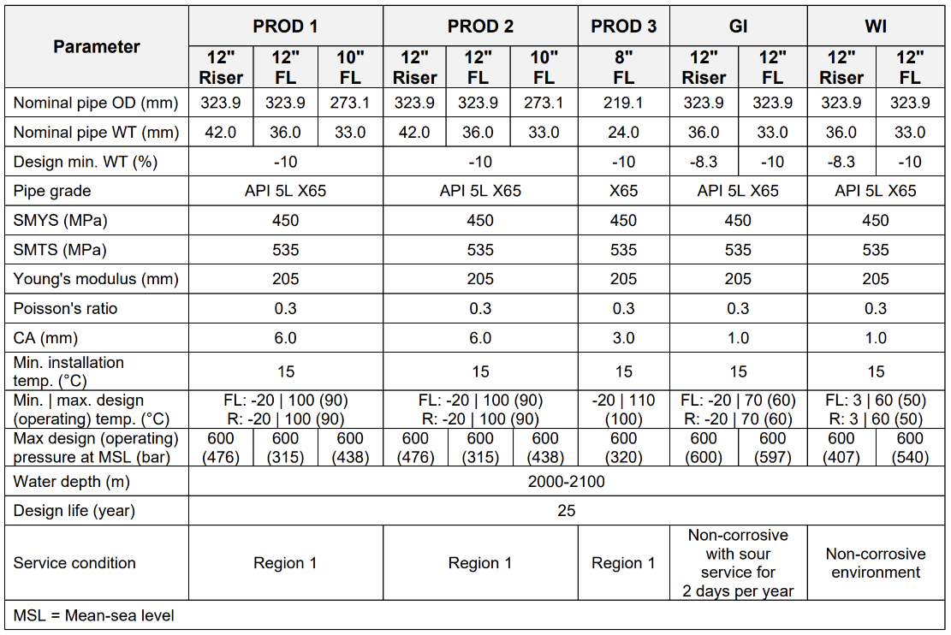
skip | flowline_operation_master_name | pipe_name | note | report_number | report_rev | created_by | created_at | updated_by | updated_at
# Flowlines
 | ORCA-PRF1-12 | PR1-F-12 | Prod 1 flowline 12" (323.9 x 36 mm), TRF DL = 25 years, DP = 69 MPa, DT = 100C, WD = 2007-2086 m | RPT10211655 | A | Hua J & Wei Q | 2026-03-03
 | ORCA-PR1-F-10 | PR1-F-10 | Prod 1 flowline 10" (273.1 x 33 mm) DL = 25 years, DP = 69 MPa, DT = 100C, WD = 2007-2086 m | RPT10211655 | A | Hua J & Wei Q | 2026-03-03
#
 | ORCA-PR2-F-12 | PR2-F-12 | Prod 2 flowline 12" (323.9 x 36 mm), TRF DL = 25 years, DP = 69 MPa, DT = 100C, WD = 2007-2086 m | RPT10211655 | A | Hua J & Wei Q | 2026-03-03
 | ORCA-PR2-F-10 | PR2-F-10 | Prod 2 flowline 10" (273.1 x 33 mm) DL = 25 years, DP = 69 MPa, DT = 100C, WD = 2007-2086 m | RPT10211655 | A | Hua J & Wei Q | 2026-03-03
#
 | ORCA-PR3-F-08 | PR3-F-08 | Prod 3 flowline 8" (219.1 x 24 mm) DL = 25 years, DP = 69 MPa, DT = 110C, WD = 2003-2025 m (MS: Max DP = 60 MPa - why this diffrence?) | RPT10219983 | A | Jefferson L | 2026-03-03
#
 | ORCA-GIF-12 | GIF-12 | GI flowline 12" (323.9 x 33 mm), TRF DL = 25 years, DP = 68.9 MPa, DT = 25-35C, WD = 1992-2011 m (MS: Max DP = 60 MPa - why this diffrence?) | RPT10211653 | A | Subasini Y | 13/2/2026
 | ORCA-WIF-12 | WIF-12 | WI flowline 12" (323.9 x 33 mm), TRF DL = 25 years, DP = 66.9 MPa, DT = 35-50C, WD = 2015-2055 m (MS: Max DP = 60 MPa - why this diffrence?) | RPT10211654 | A | Ajinkya P | 2026-04-02

